Notes-1
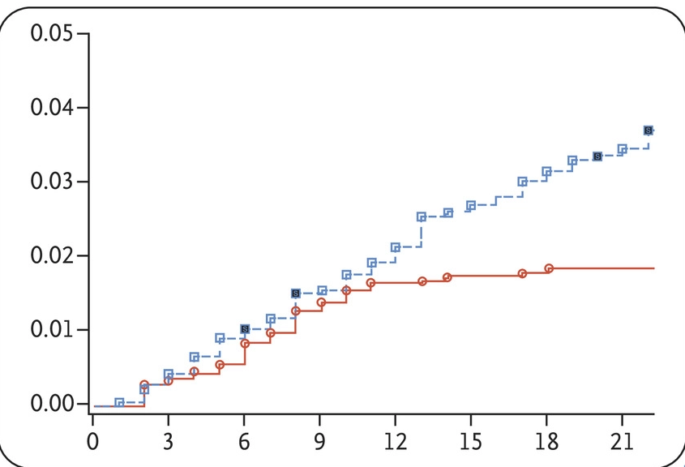
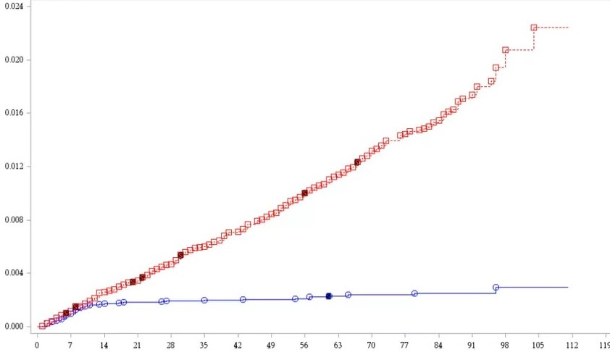
Name | Safety and Efficacy of the BNT162b2 mRNA Covid-19 Vaccine
Producer | NEJM (Pfizer/BioNTech)
Reporting Period | 27th July and 14th November 2020
Link | https://www.nejm.org/doi/full/10.1056/NEJMoa2034577
Tab | Figure 3

This is a graphical reconstruction based on the two graphs (FDA and NEJM).
Each row is a day value, showing cumulative incidence by injection type.
Column | Description
day_round | The rounded day value from the graphical reconstruction.
incidence_rate | The estimated cumulative incidence rate in each group, over time.
type | The type of injection (vaccine or placebo).

I used the WebPlotDigitizer in order to estimate the values in each graph.
https://apps.automeris.io/wpd/
These values are approximations of the actual incidence shown in the graph.
There may be small errors against the true values.

Manual adjustments were made:
1. Placing values on the plot, where the tool had captured a non-central point
2. Checking the values for monotonicity over time.
3. Assigning an injection type
4. Aligning the different values, through a scaled adjustment.

